LITOS
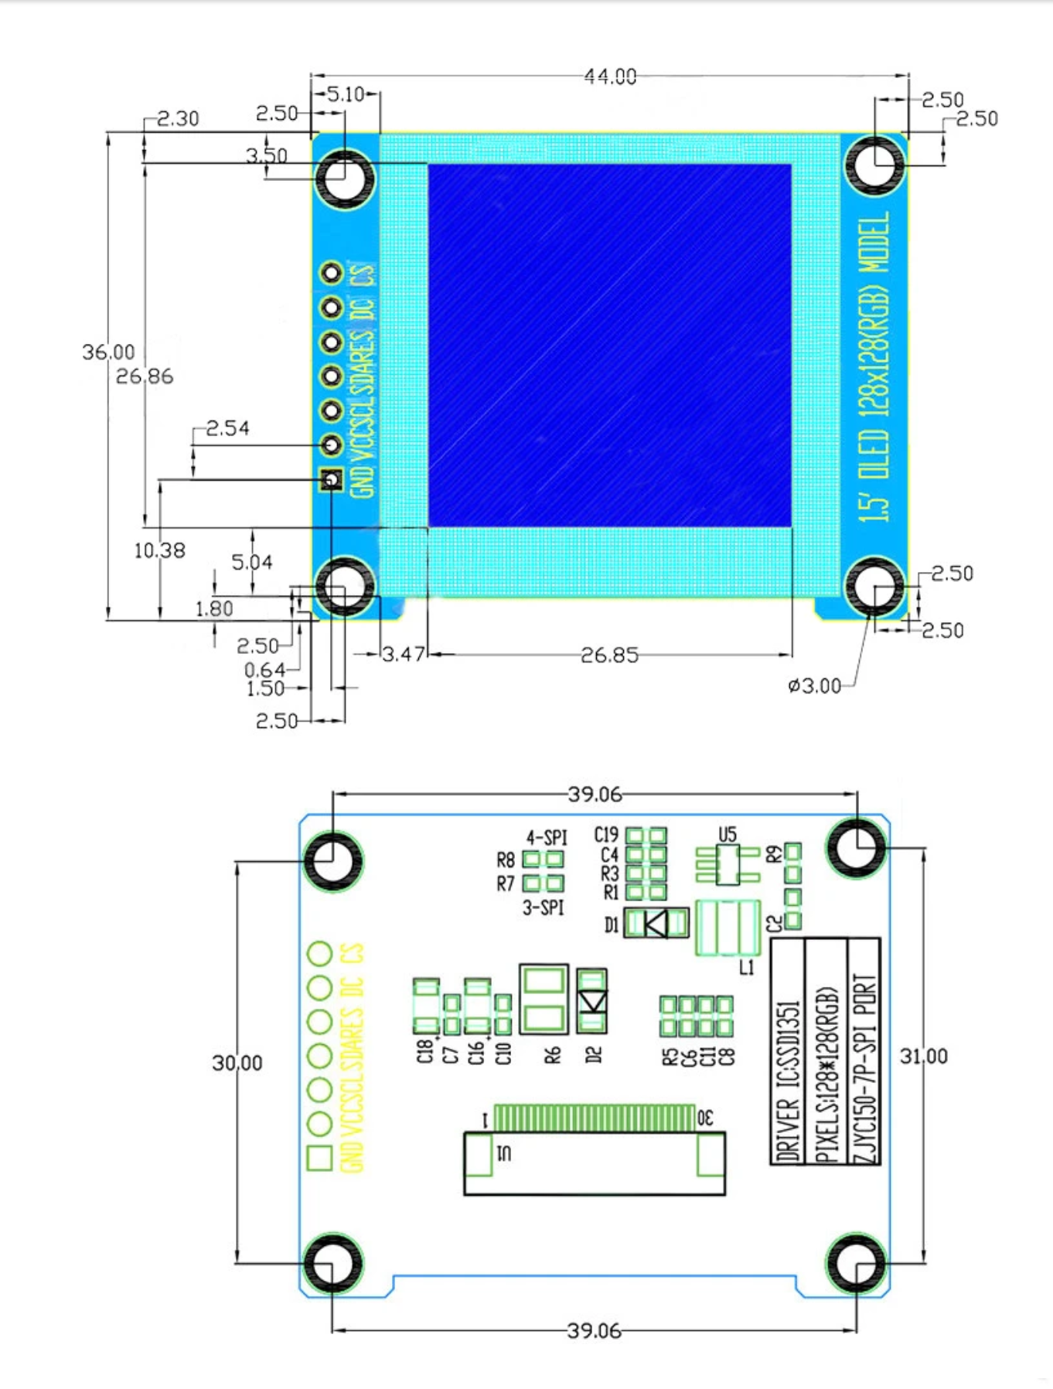
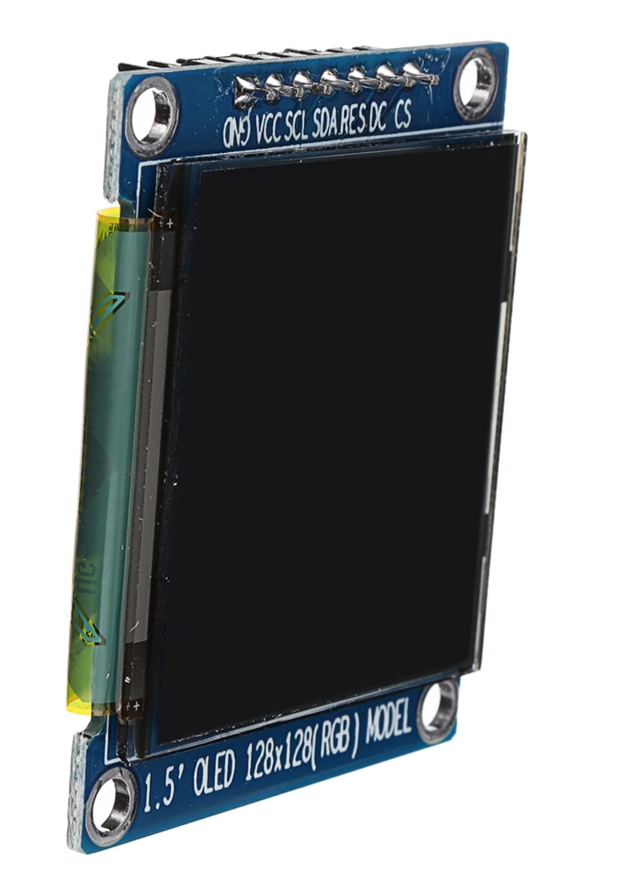
LITOS REV 4
The BOM list is divided into two categories: PCB and additional elements. For each item, the manufacturer's article number is noted, as well as the LCSC article number. Of course you can get the parts from the distributor of your choice, the LCSC/Mouser number is only used for eventual reconciliation. |  |  |  |  |  |  | Total number of parts: | 49
 |  |  |  |  |  |  | Number of unique parts: | 23
 |  |  |  |  |  |  | Number of Through-Hole parts: | 10
 |  |  |  |  |  |  | Number of SMD Parts: | 39

Item | Qty | Reference(s) | Value/ Type | Package | LCSC | Mfr. No | Manufacturer | Description | Link
1 | 1 | BZ1 | Buzzer | THD | C252921 | GMC1209YB-25R2048 | INGHAI | 9mm Externally Driven 12mm 85dB@3.6V,10cm Magnetic 2.5V~5V 3.6V 2048Hz Plugin Buzzers ROHS | https://lcsc.com/product-detail/Buzzers_INGHAi-GMC1209YB-25R2048_C252921.html
2 | 2 | C3, C21 | 22 uF/10V (20%) | 0603 |  |  |  | Ceramic Capacitor
3 | 4 | C2, C8, C12, C13 | 10nF/ 10V (20%) | 0603 |  |  |  | Ceramic Capacitor
4 | 7 | C4, C6, C9, C14, C16, C22 | 0.1 uF/50V (10%) | 0603 |  |  |  | Ceramic Capacitor
5 | 1 | C10 | 4.7 uF/6.3V (10%) | 0603 |  |  |  | Ceramic Capacitor
6 | 1 | J1 | Barrel_Jack_MountingPin | THD | C381116 | DC-005-5A-2.0 | XKB Connectivity | DC Power Receptacle 2mm 6.2mm 5A 24V Plugin AC/DC Power Connectors ROHS | https://lcsc.com/product-detail/AC-DC-Power-Connectors_XKB-Connectivity-DC-005-5A-2-0_C381116.html
7 | 1 | J2 | HUB_75 | THD | C132430 | B-3000S16P-0110 | Ckmtw(Shenzhen Cankemeng) | 2.54mm Straight Gold Brass 8 Push - Pull 2.54mm 2 Plugin,P=2.54mm IDC Connectors ROHS | https://www.lcsc.com/product-detail/IDC-Connectors_Ckmtw-Shenzhen-Cankemeng-B-3000S16P-0110_C132430.html
8 | 1 | J4 | female Header, low profile, 7 pin | THD | C2886701 | 1165SDIG-07 | CST | 2.54mm 3A -40℃~+105℃ 250V Straight 1x7P 5mm Top 7 1 Square Holes Plugin,P=2.54mm Female Headers ROHS | https://www.lcsc.com/product-detail/Female-Headers_CST-1165SDIG-07_C2886701.html
9 | 1 | J5 | Screw_Terminal_01x02 | THD | C474881 | KF301-5.0-2P | Cixi Kefa Elec | -30℃~+120℃ 17A 1.5 250V Blue Straight pin 5mm 1 14~22 2 P=5mm Screw terminal ROHS | https://lcsc.com/product-detail/Screw-terminal_Cixi-Kefa-Elec-KF301-5-0-2P_C474881.html
10 | 1 | J6 | USB_B_Micro | THD/SMD | C132562 | 10118193-0001LF | FCI / Amphenol | USB Connectors 5P MICRO USB TYPE B RECEPTACLE W/ PEGS | https://lcsc.com/product-detail/USB-Connectors_Amphenol-ICC-10118193-0001LF_C132562.html
11 | 1 | Q1 | IRF7401TRPBF | SOIC-8 | C169092 | IRF7401TRPBF | Infineon Technologies | 20V 8.7A 22mΩ@4.5V,4.1A 2.5W 700mV@250μA N Channel SOIC-8_150mil MOSFETs ROHS | https://lcsc.com/product-detail/MOSFETs_Infineon-Technologies-IRF7401TRPBF_C169092.html
12 | 2 | Q2, Q3 | SS8050-G | SOT-23-3 | C164886 | SS8050-G | Comchip Technology | Bipolar Transistors - BJT NPN TRANSISTOR 1.5A 40V | https://lcsc.com/product-detail/Bipolar-Transistors-BJT_Changjiang-Electronics-Tech-CJ-SS8050-G_C164886.html
13 | 1 | Q4 | IRF7416TRPBF | SOP-8 | C558152 | IRF7416TRPBF | VBsemi Elec | 30V 10A 20mΩ@10V,5.6A 2.5W 2.04V@250μA P Channel SOIC-8_150mil MOSFETs ROHS | https://lcsc.com/product-detail/MOSFETs_VBsemi-Elec-IRF7416TRPBF_C558152.html
14 | 1 | R1 | 0R (5%) | 0603 |  |  |  | Thick Film Resistors
15 | 4 | R3, R5, R7, R9 | 1k (5%) | 0603 |  |  |  | Thick Film Resistors
16 | 9 | R2, R4, R6, R8, R10, R11, R12, R21, R22 | 10k (5%) | 0603 |  |  |  | Thick Film Resistors
17 | 1 | R13 | 4.7k (5%) | 0603 |  |  |  | Thick Film Resistors
18 | 2 | SW1, SW2 | SW push button | SMD | C2799414 | PTS647SN50SMTR2LFS | C&K Switches | Tactile Switches 50mA 12VDC, 1.0N 5.0mm H, G leads | https://lcsc.com/product-detail/Tactile-Switches_C-K-PTS647SN50SMTR2LFS_C2799414.html
19 | 4 | SW3, SW4, SW5, SW6 | B3F-4050 | THD | C86707 | B3F-4050 | Omron Electronics | Tactile Switches 12x12mm Std Ht 7.3 Gen Purpose 130g | https://lcsc.com/product-detail/Tactile-Switches_Omron-Electronics-B3F-4050_C86707.html
20 | 1 | U1 | IFX1117MEV33 | SOT-223 | C91389 | IFX1117MEV33 | Infineon Technologies | 1A 65dB@(120Hz) 1.4V@(1A) Fixed 3.3V~3.3V Positive 1 15V SOT-223 Linear Voltage Regulators (LDO) ROHS | https://lcsc.com/product-detail/Linear-Voltage-Regulators-LDO_Infineon-Technologies-IFX1117MEV33_C91389.html
21 | 1 | U2 | ESP32-WROOM-32D | SMD | C529578 | ESP32-WROOM-32D (16MB) | Espressif | WiFi Modules (802.11) SMD Module, ESP32-D0WD, 128Mbits SPI flash, UART mode, PCB antenna | https://lcsc.com/product-detail/WiFi-Modules_Espressif-Systems-ESP32-WROOM-32D-16MB_C529578.html
22 | 1 | U3 | CH340C | SOP-16_150mil | C84681 | CH340C | WCH(Jiangsu Qin Heng) | Transceiver 2Mbps USB 2.0 SOP-16_150mil USB ICs ROHS | https://lcsc.com/product-detail/USB-ICs_WCH-Jiangsu-Qin-Heng-CH340C_C84681.html
23 | 1 | C1 | 100 uF/ 16V | SMD,6.3x5.4mm | C2904878 | RVE100UF16V67RV0046 | KNSCHA | SMD Aluminum Electrolytic Capacitor | https://lcsc.com/product-detail/Aluminum-Electrolytic-Capacitors-SMD_KNSCHA-RVE100UF16V67RV0046_C2904878.html
 |  | C5, J7 | NC/ not populated

Additional items

Item | Qty | Reference(s) | Value/ Type | Package | Mouser No | Mfr. No | Manufacturer | Description
1 | 1 | for SW 3 | Switch Cap |  | 653-B32-1380 | B32-1380 | Omron Electronics | Switch Bezels / Switch Caps 12MM X 12MM RED CAP
2 | 1 | for SW 4 | Switch Cap |  | 653-B32-1330 | B32-1330 | Omron Electronics | Switch Bezels / Switch Caps 12X12 KEYCAP YELLOW
3 | 1 | for SW 5 | Switch Cap |  | 653-B32-1340 | B32-1340 | Omron Electronics | Switch Bezels / Switch Caps 12X12 KEYCAP BLUE
4 | 1 | for SW 6 | Switch Cap |  | 653-B32-1350 | B32-1350 | Omron Electronics | Switch Bezels / Switch Caps Green 12x12 mm Key Top
 |  | As mouser has the required item not in stock, here another source for all keycaps (all 4 colors included). You can order a 60sets6color set, containing enough keycaps for up to 15 LITOS Rev 4. You can also take keycaps from a local supplier of your choice, the aliexpress links here serves only as a reference. If ordering the keycaps greatly extends the turnaround time (more than 3 days), do not bother to order them and thus ignore position 1-4. Further, if you order from aliexpress, do not put the transparent covers on top of the keycaps. Thanks |  |  |  |  |  | https://www.aliexpress.com/item/32845173329.html?spm=a2g0o.productlist.0.0.70363bedY7G6ec&algo_pvid=8bd03c66-5b4c-42cb-a163-0a6988a202ac&algo_exp_id=8bd03c66-5b4c-42cb-a163-0a6988a202ac-0&pdp_ext_f=%7B%22sku_id%22%3A%2265174878652%22%7D&pdp_pi=-1%3B4.82%3B-1%3B-1%40salePrice%3BCHF%3Bsearch-mainSearch

5 | 1 | will be mounted on J4 through male/female header interaction | OLED Display Module |  |  |  |  | 1.5 Inch OLED 128x128 Display Color LCD Screen SSD1351 with 2.54mm male headers already soldered in place from your local supplier, for ex. Banggood (currently not in stock, so please see below)
 |  |  |  |  |  |  |  | https://www.banggood.com/1_5-Inch-OLED-128x128-Display-Color-LCD-Screen-SSD1351-Color-OLED-p-1640372.html?rmmds=search&cur_warehouse=CN
 |  |  |  |  |  |  |  | or diymore (or any other local supplier)
 |  |  |  |  |  |  |  | https://aliexpress.com/item/4000380926640.html?spm=a2g0o.productlist.0.0.14801802fvJQVp&algo_pvid=97f6b725-7c5e-4413-a68d-848f9e1c6fda&algo_exp_id=97f6b725-7c5e-4413-a68d-848f9e1c6fda-6&pdp_ext_f=%7B%22sku_id%22%3A%2210000001556476405%22%7D&pdp_pi=-1%3B12.45%3B-1%3B-1%40salePrice%3BCHF%3Bsearch-mainSearch
 |  |  |  |  |  |  |  | Important: Headers must be already soldered
 |  |  |  |  |  |  |  | also important: you must not take this version of this display (https://www.waveshare.com/wiki/1.5inch_RGB_OLED_Module (as no male headers are present)

